Power calculation
1. Calculation of energy consumption ratio by HBM section based on energy component decomposition
(ref. Fine-grained DRAM: energy-efficient DRAM for extreme bandwidth systems)
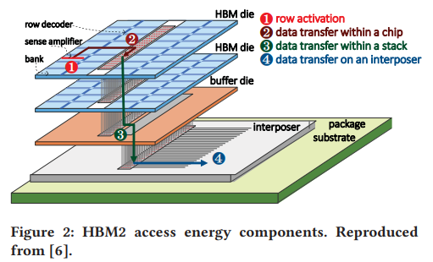
 | Read
 |  | HBM2 | % 값 | 비고
(1) | row_act | 1.578125 | 0.31199802298 | OD-ECC, S-ECC
(2) | chip_tr | 1.51 | 0.29852959348 | OD-ECC, S-ECC
(3) | stack_tr | 1.17 | 0.23131100951 | OD-ECC
(4) | interposer | 0.8 | 0.15816137403 | OD-ECC

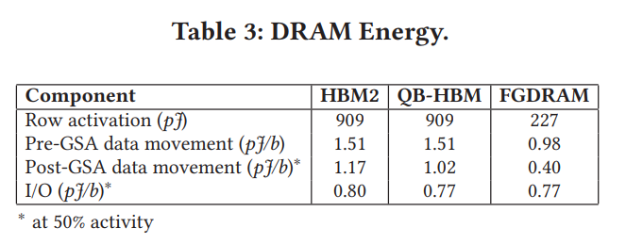

* Row activation energy was normalized assuming an average of 576 bits are processed per act.

2. Calculate the current component of HBM4 (HBM-3600).
*All IPP + IDD + IDDQ values are added together and normalized to the number of pseudo-channels (32).
(ref. Samsung Electronics, 16Gb HBM Flashbolt, 2021)
 | IPP | IDD | IDDQ | unit
IDD0 | 109 | 1017 | 396 | mA
IDD2N | 53 | 993 | 390 | mA
IDD3N | 57 | 1009 | 465 | mA
IDD4R | 93 | 10044 | 6686 | mA
IDD4W | 79 | 8987 | 2718 | mA
3. Calculate the each storage/transfer bit numbers of each scheme.
 | Unity | DUO | HBM | Cerberus(32) | Cerberus(40)
Cell | 288 | 304 | 304 | 288 | 296
Chip_stack | 288 | 304 | 272 | 288 | 296
Interposer | 288 | 304 | 272 | 288 | 296

4. Calculate the current component of each scheme.
DRAM | Unity | DUO | HBM4 | Cerberus | Cerberus_40
IDD0 | 47.421052632 | 47.5625 | 47.5625 | 47.421052632 | 47.491776316
IDD2N | 44.875 | 44.875 | 44.875 | 44.875 | 44.875
IDD3N | 47.6875 | 47.84375 | 47.84375 | 47.6875 | 47.765625
IDD4R | 521.28397991 | 547.75114546 | 525.71875 | 521.28397991 | 534.51756269
IDD4W | 365.26754722 | 383.06713318 | 368.25 | 365.26754722 | 374.1673402

Unity
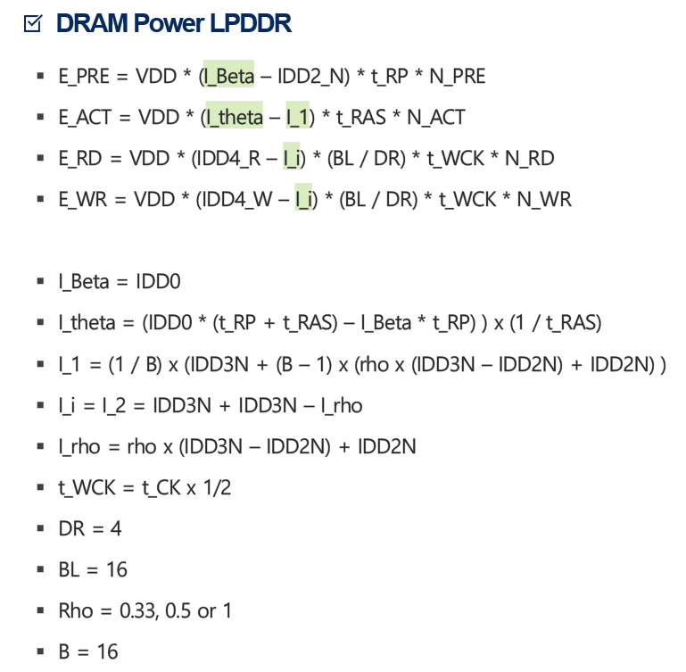
 | Timing (ns) |  | Current (mA) |  | Voltage (V) |  |  | Arch. |  |  | Cmd_Energy (V*mA*ns = 10^-12 J)
 | t_CK | 0.625 | IDD0 | 47.42105 | VDD | 1.05 |  | BL | 8 |  | E_RD | 310.15170703
 | t_RAS | 55 | IDD1 |  |  |  |  | DR | 4 |  | E_WR | 207.76587891
 | t_RP | 30 | IDD2N | 44.875 |  |  |  | Rho1 | 0.33 |  | E_ACT | 37.907190234
 | t_RC | 90 | IDD3N | 47.6875 |  |  |  | Rho2 | 0.65 |  | E_PRE | 80.200575
 | t_WCK | 0.3125 | IDD4R | 521.284 |  |  |  | Rho3 | 1
 |  |  | IDD4W | 365.2675 |  |  |  | B | 16 |  | Micron Power
 |  |  |  |  |  |  |  |  |  |  | P_ACT | 0.868665
 |  |  | I_Beta | 47.42105 |  |  |  |  |  |  | P_RD | 497.276325
 |  |  | I_Theta | 47.42105 | PRE | ACT | RD | WR |  |  | P_WR | 333.459
 |  |  | I_1 | 46.764648438 | 1.1 | 1.1 | 1.18 | 1.22 |  |  | P_Background | 50.071875
 |  |  | I_i | 48.671875 |  |  |  |  |  |  | E_ACT | 47.776575
 |  |  | I_rho | 46.703125 |  |  |  |  |  |  | E_RD | 310.79770312
 |  |  |  |  |  |  |  |  |  |  | E_WR | 208.411875

<N_PRE> |  |  |  |  |  |  |  | <N_ACT> |  |  |  |  | <N_RD> |  |  | <N_WR>
 |  | Unity |  |  |  |  |  |  |  | Unity |  |  |  |  | Unity |  |  | Unity
rodinia | nw | 74727345 |  |  |  |  |  | rodinia | nw | 74840572 |  |  | rodinia | nw | 193837182 | rodinia | nw | 93405215
rodinia | b+tree | 118762 |  |  |  |  |  | rodinia | b+tree | 119786 |  |  | rodinia | b+tree | 1207578 | rodinia | b+tree | 17080
rodinia | backprop | 11194 |  |  |  |  |  | rodinia | backprop | 11706 |  |  | rodinia | backprop | 468164 | rodinia | backprop | 173256
rodinia | dwt2d | 865575 |  |  |  |  |  | rodinia | dwt2d | 870679 |  |  | rodinia | dwt2d | 6155912 | rodinia | dwt2d | 10629074
rodinia | bfs | 15139104 |  |  |  |  |  | rodinia | bfs | 15151391 |  |  | rodinia | bfs | 59150476 | rodinia | bfs | 31478396
rodinia | srad_v1 | 287044622 |  |  |  |  |  | rodinia | srad_v1 | 287297192 |  |  | rodinia | srad_v1 | 18868192 | rodinia | srad_v1 | 8452341363
parboil | sgemm | 22253 |  |  |  |  |  | parboil | sgemm | 22765 |  |  | parboil | sgemm | 630848 | parboil | sgemm | 0
parboil | mri-q | 15320 |  |  |  |  |  | parboil | mri-q | 16344 |  |  | parboil | mri-q | 262144 | parboil | mri-q | 0
parboil | spmv | 127803609 |  |  |  |  |  | parboil | spmv | 127829209 |  |  | parboil | spmv | 2426773904 | parboil | spmv | 45753382
graphBIG | gpu_DegreeCentr | 20335510 |  |  |  |  |  | graphBIG | gpu_DegreeCentr | 20336022 |  |  | graphBIG | gpu_DegreeCentr | 43849926 | graphBIG | gpu_DegreeCentr | 19954574
graphBIG | gpu_BFS | 195954671 |  |  |  |  |  | graphBIG | gpu_BFS | 195958691 |  |  | graphBIG | gpu_BFS | 418242566 | graphBIG | gpu_BFS | 28148040
graphBIG | gpu_SSSP | 607624000 |  |  |  |  |  | graphBIG | gpu_SSSP | 607634170 |  |  | graphBIG | gpu_SSSP | 1261292290 | graphBIG | gpu_SSSP | 63608562
graphBIG | gpu_kCore | 1014308 |  |  |  |  |  | graphBIG | gpu_kCore | 1017892 |  |  | graphBIG | gpu_kCore | 10155328 | graphBIG | gpu_kCore | 3383898
polybench | ATAX | 4215938 |  |  |  |  |  | polybench | ATAX | 4216962 |  |  | polybench | ATAX | 12516152 | polybench | ATAX | 1024
polybench | MVT | 4212017 |  |  |  |  |  | polybench | MVT | 4213041 |  |  | polybench | MVT | 12519664 | polybench | MVT | 1024
polybench | 3DCONV | 15094536 |  |  |  |  |  | polybench | 3DCONV | 15224456 |  |  | polybench | 3DCONV | 538918912 | polybench | 3DCONV | 481669456

<E_PRE> |  |  |  |  |  |  |  | <E_ACT> |  |  |  |  | <E_RD> |  |  | <E_WR> |  |  | <E_Total>
 |  | Unity |  |  |  |  |  |  |  | Unity |  |  |  |  | Unity |  |  | Unity |  |  | Unity
rodinia | nw | 5993176037.2 |  |  |  |  |  | rodinia | nw | 2836995800.1 |  |  | rodinia | nw | 60118932883 | rodinia | nw | 19406416589 | rodinia | nw | 88355521310
rodinia | b+tree | 9524780.6882 |  |  |  |  |  | rodinia | b+tree | 4540750.6894 |  |  | rodinia | b+tree | 374532378.07 | rodinia | b+tree | 3548641.2117 | rodinia | b+tree | 392146550.66
rodinia | backprop | 897765.23655 |  |  |  |  |  | rodinia | backprop | 443741.56888 |  |  | rodinia | backprop | 145201863.77 | rodinia | backprop | 35996685.116 | rodinia | backprop | 182540055.69
rodinia | dwt2d | 69419612.706 |  |  |  |  |  | rodinia | dwt2d | 33004994.486 |  |  | rodinia | dwt2d | 1909266615.1 | rodinia | dwt2d | 2208358901.6 | rodinia | dwt2d | 4220050123.9
rodinia | bfs | 1214164845.8 |  |  |  |  |  | rodinia | bfs | 574346660.95 |  |  | rodinia | bfs | 18345621103 | rodinia | bfs | 6540136611.5 | rodinia | bfs | 26674269221
rodinia | srad_v1 | 23021143735 |  |  |  |  |  | rodinia | srad_v1 | 10890629311 |  |  | rodinia | srad_v1 | 5852001957.4 | rodinia | srad_v1 | 1.7561081321E+12 | rodinia | srad_v1 | 1.7958719071E+12
parboil | sgemm | 1784703.3955 |  |  |  |  |  | parboil | sgemm | 862957.18569 |  |  | parboil | sgemm | 195658584.08 | parboil | sgemm | 0 | parboil | sgemm | 198306244.66
parboil | mri-q | 1228672.809 |  |  |  |  |  | parboil | mri-q | 619555.11719 |  |  | parboil | mri-q | 81304409.088 | parboil | mri-q | 0 | parboil | mri-q | 83152637.014
parboil | spmv | 10249922929 |  |  |  |  |  | parboil | spmv | 4845646143.1 |  |  | parboil | spmv | 7.526680689E+11 | parboil | spmv | 9505991624.2 | parboil | spmv | 7.772696296E+11
graphBIG | gpu_DegreeCentr | 1630919594.9 |  |  |  |  |  | graphBIG | gpu_DegreeCentr | 770881454.56 |  |  | graphBIG | gpu_DegreeCentr | 13600129402 | graphBIG | gpu_DegreeCentr | 4145879605.3 | graphBIG | gpu_DegreeCentr | 20147810057
graphBIG | gpu_BFS | 15715677288 |  |  |  |  |  | graphBIG | gpu_BFS | 7428243377.8 |  |  | graphBIG | gpu_BFS | 1.297186458E+11 | graphBIG | gpu_BFS | 5848202270.1 | graphBIG | gpu_BFS | 1.5871076873E+11
graphBIG | gpu_SSSP | 48731794184 |  |  |  |  |  | graphBIG | gpu_SSSP | 23033704075 |  |  | graphBIG | gpu_SSSP | 3.9119195681E+11 | graphBIG | gpu_SSSP | 13215688790 | graphBIG | gpu_SSSP | 4.7617314386E+11
graphBIG | gpu_kCore | 81348084.827 |  |  |  |  |  | graphBIG | gpu_kCore | 38585425.682 |  |  | graphBIG | gpu_kCore | 3149692314.7 | graphBIG | gpu_kCore | 703058542.1 | graphBIG | gpu_kCore | 3972684367.3
polybench | ATAX | 338120651.76 |  |  |  |  |  | polybench | ATAX | 159853180.75 |  |  | polybench | ATAX | 3881905908.3 | polybench | ATAX | 212752.26 | polybench | ATAX | 4380092493
polybench | MVT | 337806185.31 |  |  |  |  |  | polybench | MVT | 159704546.65 |  |  | polybench | MVT | 3882995161.1 | polybench | MVT | 212752.26 | polybench | MVT | 4380718645.3
polybench | 3DCONV | 1210590466.6 |  |  |  |  |  | polybench | 3DCONV | 577116349.81 |  |  | polybench | 3DCONV | 1.6714662051E+11 | polybench | 3DCONV | 1.0007447787E+11 | polybench | 3DCONV | 2.6900880519E+11

<Normalized with IPC> |  |  |  |  |  |  |  | <Normalized with HBM4>
 |  | Unity |  |  |  |  |  |  |  | Unity
rodinia | nw | 87804767700 |  |  |  |  |  | rodinia | nw | 0.98046362628
rodinia | b+tree | 390110093.08 |  |  |  |  |  | rodinia | b+tree | 0.98452857466
rodinia | backprop | 181931132.45 |  |  |  |  |  | rodinia | backprop | 0.98855723312
rodinia | dwt2d | 4182544313.8 |  |  |  |  |  | rodinia | dwt2d | 0.98206230211
rodinia | bfs | 26162289589 |  |  |  |  |  | rodinia | bfs | 0.96052217651
rodinia | srad_v1 | 1.7961122915E+12 |  |  |  |  |  | rodinia | srad_v1 | 0.99028649291

parboil | sgemm | 197356391.7 |  |  |  |  |  | parboil | sgemm | 0.98559729783
parboil | mri-q | 83108070.692 |  |  |  |  |  | parboil | mri-q | 0.98969716625
parboil | spmv | 7.7383547659E+11 |  |  |  |  |  | parboil | spmv | 0.98570096085

graphBIG | gpu_DC | 20020088296 |  |  |  |  |  | graphBIG | gpu_DC | 1.0088693291
graphBIG | gpu_BFS | 1.5523071143E+11 |  |  |  |  |  | graphBIG | gpu_BFS | 0.96192761857
graphBIG | gpu_SSSP | 4.6828565304E+11 |  |  |  |  |  | graphBIG | gpu_SSSP | 0.96530000731
graphBIG | gpu_kCore | 3955010640.3 |  |  |  |  |  | graphBIG | gpu_kCore | 0.98478782719

polybench | ATAX | 4336182526.3 |  |  |  |  |  | polybench | ATAX | 0.97590158531
polybench | MVT | 4255507496.6 |  |  |  |  |  | polybench | MVT | 0.95775440109
polybench | 3DCONV | 2.6825592204E+11 |  |  |  |  |  | polybench | 3DCONV | 0.98811472011

Geomean |  | 12673446008 |  |  |  |  |  |  | Geomean | 0.98054292639

